1. Title Page
[Instacart Grocery Basket ]

Project Name: Instacart Grocery Basket Analysis
Date: 16 June 2023
Analyst Name: Pamela Nouboussi

Contents:
Population Flow
Consistency checks
Wrangling steps
Column derivations
Visualizations
Recommendations

Data Citation:
Customer data, as well as the "prices" column in the products data set, were both fabricated for the purpose of this project.
“The Instacart Online Grocery Shopping Dataset 2017”, Accessed from www.instacart.com/datasets/grocery-shopping-2017 via Kaggle on [date].

2. Population Flow
Title page

Population flow

Exclusion flag
Condition: max_order < 5
Obervations to be removed: 1,440,295
Final total count of orders_products_customers_final_setl: 30,964,564

Orders_products_combined
Orders_products_merged
Orders_products_all

Total:32,404,859
Total: 32,434,489
Total:32,404,859

1.) The grey boxes in the first row of the population flow represent the original data sets as they were when you downloaded them. In the Total fields you need to add the count of the rows when you imported the data set into Jupyter.
2.) The second row of boxes (coloured) represents the data sets after you manipulated them, e.g., removed missing values and duplicates. In the Total fields you need to add the count of the rows after conducting these operations. This offers a visual oveview of how the data flows throughout the data consistency checks.
3.) The third row, where also the arrows are coloured, represents the merges you performed between the datasets. In the Total fields you need to add the count of the rows in the merged datasets, so that you end up with the final dataset (in the red box). Keep in mind the final dataset should be without exclusions (based on the exclusion flag).

3. Consistency checks
 |  |  |  |  |  | Title page
Consistency checks

Dataset | Missing values | Missing values treatment | Duplicates | Unsusal values | mixed type data and treatment
orders | 206209 missing values in 'days since prior order' | none. There onlyappears to be missing values where it was the customers first order. This makes sense as so will not be removed as it could be used for further analysis. | No duplicates |  | none
products | 16 in the product name column | dropped from a column | 5 duplicates deleted | unsual price for prodcut id 33664, milk. | product_name column mixed
 |  | all 5,127 rows with outlier observations have been turned into NaNs.

orders_products_prior | No missing values |  | No duplicates
customers | No missing values |  | No duplicates

4. Wrangling steps
 |  |  |  | Title page
Wrangling steps

Dataframe | Wrangling procedures |  | Comment/Reason
orders | Columns dropped | "eval_set" | This column contains system information that acts as a label for the entire data set. It has one value—prior—which indicates that this was the prior data set released by Instacart.

 | Columns renamed | "order_dow" to "order_day_of_week" | Original name unintuituve.

 | Columns' type changed | "order_id" changed to string | Not needed in analysis type changed to string
 |  | "user_id" changed to string
df_custom | Columns dropped | "First_name" and "Last_name" | For security concerns since it contains PII

 | Columns renamed | "Surnam" to "Last_Name" | For more clarity
 |  | All columns changed to lower case | for uniformity

 | Columns' type changed | "User_ID" changed to int32 (from int64) | For better RAM usage
 |  | "Age" changed to int32 (from int64) | For better RAM usage

df_ords_prods_agg | Columns dropped | No columns dropped

 | Columns renamed

df_ords_prods_customs | Columns dropped | No columns dropped

 | Columns renamed | All colums changed to lower case | for uniformity

5. Column derivations
 |  |  |  |  | Title page

Column derivations and aggregations

In this tab you should add tables below that the frequences of flags/label variables that you produced after deriving them. NB: don't do this for continuous variables, only for flags.
Dataset | New column | Column/s it was derived from | Conditions | Frequency
df_ords_prods_merged | Price_label | prices | prices <= 5 ": Low-range product" | 10,126,321
 |  |  | 5 < prices <= 15: "Mid-range product" | 21,860,860
 |  |  | prices > 15: "High-range product" | 417,678
 | Busiest_day | orders_day_of_week | if 0 (Saturday): "Bussiest day" | 6,204,182
 |  |  | if 4 (Wednesday): "Least busy" | 3,783,802
 |  |  | else: "Regularly busy" | 22,416,875
 | Busiest_days | orders_day_of_week | if 0 (Saturday) or 1 (Sunday): "Bussiest days" | 11,864,412
 |  |  | if 3 (Tuesday) or 4 (Wednesday): "Slowest days" | 7,624,336
 |  |  | else: "Regularly busy" | 12,916,111
 | Busiest_period_of_Day | order_hour_of_day | 9 - 16 h: "Most orders" | 21,118,071
 |  |  | 23 - 6h: "Fewest orders" | 1,289,137
 |  |  | else: "Average orders" | 9,997,651
 | Max_order | order_number | Dataframe grouped by "user_id" and "order_number" transformed into max of "order_number"
 | Loyalty_flag | max_order | max_order > 40: "Loyal customer" | 10,284,093
 |  |  | 10 < max_order <= 40: "Regular customer" | 15,876,776
 |  |  | max_order <= 10: "New customer" | 6,243,990
 | Avg_price | prices | Dataframe grouped by "user_id" and "prices" transformed into mean of "prices"
 | Spending_flag | avg_price | avg_price < 10: "Low spender" | 31,770,614
 |  |  | avg_price >= 10: "High spender" | 634,245
 | Median_frequency | days_since_prior_order | Dataframe grouped by "user_id" and "days_since_prior_order" transformed into median of "days_since_prior_order"
 | Order_frequency_flag | median_frequency | median_frequency > 20: "Non-frequent customer" | 3,636,437
 |  |  | 10 < median_frequency <= 20: "Regular customer" | 7,208,564
 |  |  | median_frequency <= 10: "Frequent customer" | 21,559,853
df_ords_prods_customs_all | Region | STATE | "Northeast" | 5,722,736
 |  |  | "Midwest" | 7,597,325
 |  |  | "South" | 10,791,885
 |  |  | "West" | 8,292,913
 | Low_order_flag | Max_order | Max_order < 5: "Low=activity customer" | 1,440,295
 |  |  | Max_order >= 5: "High=activity customer" | 30,964,564
 | Age_group | Age

 |  |  | <= 34: "Young adult" | 9,146,419
 |  |  | 35 > Age <= 55: "Adult" | 15,170,339
 |  |  | 65 > =Age: "Senior adult" | 8,088,101
 | Income_group | Income Group | Income < 40000: "Low-income" | 10,442,766
 |  |  | 40000 >= Income < 75000: "Moderate-income" | 13,331,136
 |  |  | 75000 >= Income < 180000: "High-income" | 8,323,613
 |  |  | 180000 >= Income: "Afluent" | 307,344

 | Family_group | Fam_status and Number_of_dependants | If married and 1 dependent: "Married no dependants" | 7,211,061
 |  |  | If married and 2 or more dependents: "Married with dependants" | 14,532,650
 |  |  | If divorced/widowed, living with parents and siblings, single and 0 dependents: "Single no dependants" | 7,739,681
 |  |  | If divorced/widowed, living with parents and siblings, single and 1 or more dependents: "Single with dependants" | 1,481,172
 | age_shop_flag | age_group orders_day_of_week | If Adult and Orders_day_of_Week <= 1: "Adult, weekend shopper" (0 and 1 correspond to Saturday and Sunday) | 5,544,745
 |  |  | If Adult and Orders_day_of_Week > 1: "Adult, working-day shopper" (0 and 1 correspond to Saturday and Sunday) | 9,625,594
 |  |  | If Older adult and Orders_day_of_Week <= 1: "senior adult, weekendshopper" (0 and 1 correspond to Saturday and Sunday) | 2,947,719
 |  |  | If Older adult and Orders_day_of_Week > 1: "senioradult, working-day shopper" (0 and 1 correspond to Saturday and Sunday) | 5,140,382
 |  |  | If Young adult and Orders_day_of_Week <= 1: "Young adult, weekend shopper" (0 and 1 correspond to Saturday and Sunday) | 3,371,948
 |  |  | If Young adult and Orders_day_of_Week < 1: "Young adult, working-day shopper" (0 and 1 correspond to Saturday and Sunday) | 5,774,471
 | Fam_shop_flag | Family_group and Orders_day_of_Week | . "Married, no dependants, weekend shopper" -and orders day of week less and equal to 1 (0, 1 represents Saturday and Sunday) | 4,791,149
 |  |  | 2. "Married, no dependants, weekday shoppers" - and orders day of week bigger than 1 (0, 1 represents Saturday and Sunday) | 2,759,755
 |  |  | 3. "Married, with dependants, weekend shopper" - and orders day of week less and equal to 1 (0, 1 represents Saturday and Sunday) | 9,642,885
 |  |  | 4. "Married, with dependants weekday shoppers" -and orders day of week bigger than 1 (0, 1 represents Saturday and Sunday) | 5,562,964
 |  |  | 5. "Single, no dependants weekend shopper" - and orders day of week less and equal to 1 (0, 1 represents Saturday and Sunday) | 5,122,427
 |  |  | 6. "Single, no dependants weekday shopper" - and orders day of week bigger than 1 (0, 1 represents Saturday and Sunday) | 2,975,076
 |  |  | 7. "Single, with dependants, weekend shopper" - and orders day of week less and equal to 1 (0, 1 represents Saturday and Sunday) | 983,986
 |  |  | 8. "Single, with dependants, weekday shopper" - and orders day of week bigger than 1 (0, 1 represents Saturday and Sunday) | 56,617

6. Visualisations
 |  |  |  |  |  |  |  |  | Title page

Visualizations

In this tab you should include all the visualtions from Exercises 4.9 and 4.10, alongside the questions from the project brief that they answer. Include any commentary on the relationship between different variables.

Key Questions:

1. What the busiest days and hours of the week?

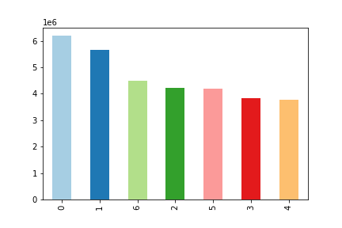

This bar chart represents the number of orders (y-axis) by the day of the week (x-axis).
Each day corresponds to a number, as follows:
0 = Saturday
1 = Sunday
2 = Monday
3 = Tuesday
4 = Wednesday
5 = Thursday
6 = Friday
Wednesday is the least busy day.
The weekend is the busiest time of the week, Sunday being the busiest day of the week, followed by Friday then Saturday .


This histogram demostrates the frequency of orders (y-axis) by hour of the day (x-axis). The hours of the day use the 24 hr format.
The busiest hours are 10-12 am. Orders are highest from 9am to 5 pm, then drop steadily to reach a low between midnight and 6 pm.

2. What are the busiest hours of day?
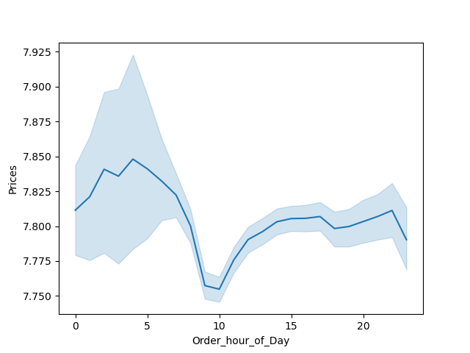

- The line charts show that most money is spent on friday and the weekends.
- Though less money is shown to be spent in the morning, there is a wide error margin. This would indicate more price variability.

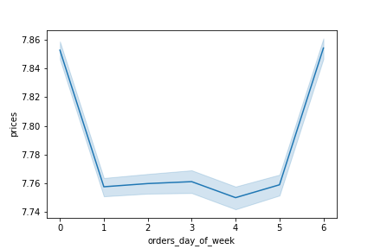
This line chart represents the average price of ordered item (y-axis) by order hour of the day (x-axis). The hours of the day use the 24 hour format.

This line chart represents the average price of ordered items (y-axis) by days of the week (x-axis).

4.Department Order frequency: Are there types of prodeucts more popular than others?
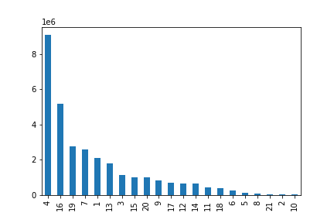

The names for each department are as follow:
1 (frozen), 2 (other), 3 (bakery), 4 (produce), 7 (beverages), 9 (dry goods pasta), 10 (bulk), 11 (personal care), 12 (meat seafood), 13 (pantry), 14 (breakfast), 15 (canned goods), 16 (dairy eggs), 17 (household), 19 (snacks), 21 (missing), 8 (pets),18 (babies), 5 (alcohol), 6 (international), 20 (deli)
- The most popular departments are produce, dairy and eggs, snacks and household.
- The least popular items are bulk, other, pets, alcohol and international.
- The best selling items are food and everyday essentials that would need to be regularly repurchase.

This bar chart represents the order frequency of products sorted by department, from highest selling to lowest selling.

5.1 What’s the distribution among users in regards to their brand loyalty ?

Loyal customers make up about one third of all customers while Regular customers make up 50% of all customers.
 | This bar chart represents number of customers in three categories:
 | 1. Loyal customers - the one that have placed over 40 orders
 | 2. Regular customers - the one that have placed between 10 and 40 orders
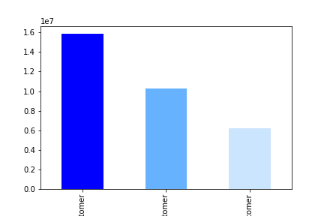
 | 3. New customers - the one that have placed 10 or fewer orders

Regular
Customer
Loyal
Customer
New
Customer

5.2. Are there differences in ordering habits based on a customer's loyalty status?

This stacked bar chart represents the days since last order for each loyalty status.
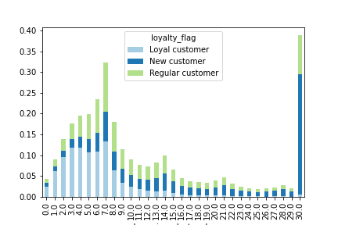
- New customers have. the largest amounts of time between orders, followed by regular customers.
- Loyal customers place orders the most frequently.

 |  | Days since last order

5.3 Are there differences in ordering habits based on a customer’s region?

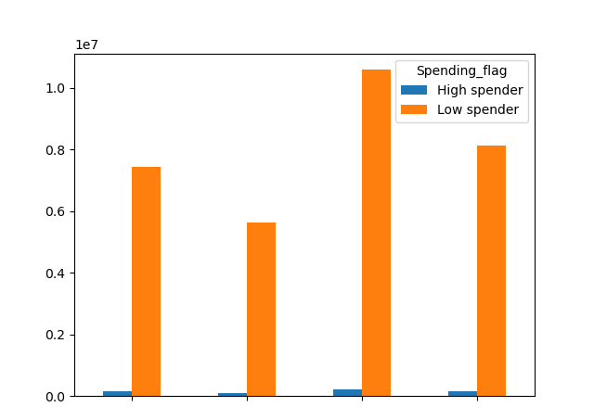
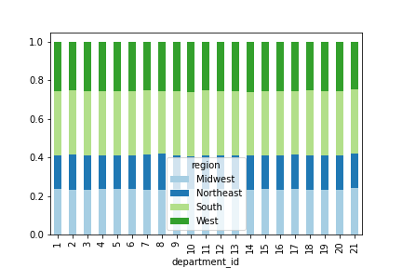

Midwest
Northeast
South
West

This stacked bar chart represents the relative amount of products ordered from different departments across all reagions.
The amount of products ordered is consistent across all regions. though the south does order the most amount of total products, and the northest the least.
This grouped bar chart represents the proportion of high and low spenders across all four regions.
- The proportion of high to low spenders is high across all regions. there are few high spenders in all regions.
-the proportions between the 2 customer profiles are the same across all regions
Region does not apear to impact the amount of money spent.

5.4 Is there a connection between age and family status in terms of ordering habits?

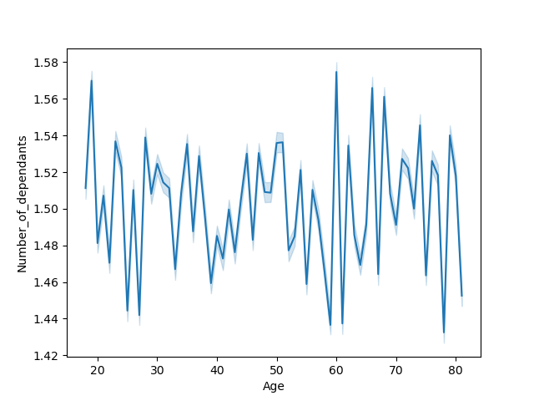


This graph shows the relationship between income and age.
There seems to be an even spread in the distribution of age amongst income lower than 20000. However as income increases, spending power does increase among the older population, 40 and above.
The graph shows the relationship between age and dependants
The plot shows that there is no connection between age and dependants. There are numerous reasons families may have dependans such as children taking care of elderly parents, adult children lving at home, or multigenreational households.

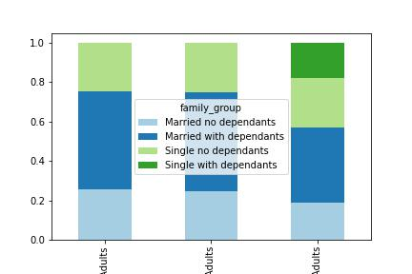

Compared to young adults, middle-aged and senior adults group have a larger proportion of Married with Dependants customers, while young adults group have smaller proportion of Married with no Dependants customers.
Singles with dependants are not present in middle-aged and senior adults groups.

 | Middle aged adults | Senior Adults | Young adults
This graph shows the proportion of each family group in each age demographic

5.5 What different classifications does the demographic information suggest? Age? Income? Certain types of goods? Family status?
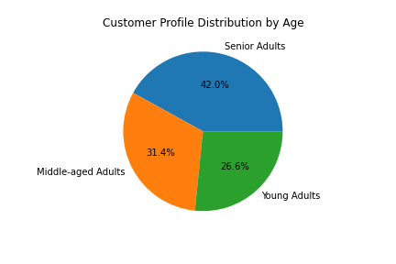
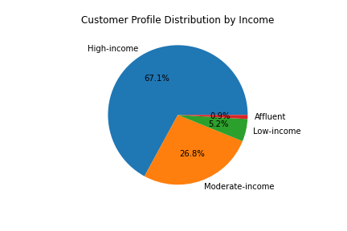
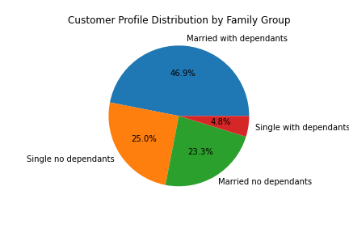

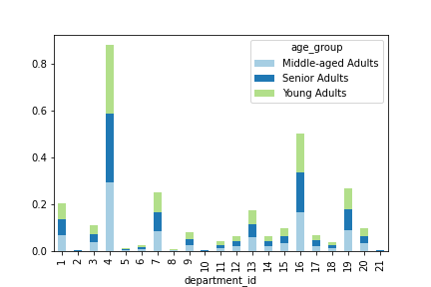
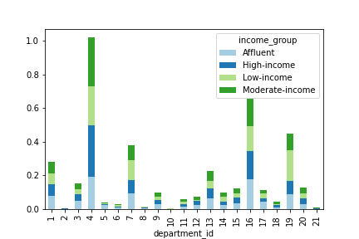
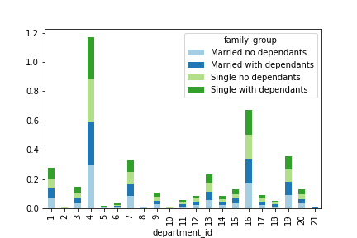

The bar charts represents percentage of total purchses for each customer profile across diffrent depatments.

The majority of customers are senior adults, most customer are high income and have dependents, wether maried or not.
The Low and moderate income group spends the most amount of money. the departments 4, 7, 16 and 19 consitently remain the highest performing departments across all income groups. these departments are the produce, dairy, snackas and beverages.
High-income group spends less money, compared to other Low and Middle income groups, on "other" (2), alcohol (5), bulk (10) and "snacks" (19). , low-income customers spend more in the snack (18%) and beverage departments (12%). However, affluent-income customers spend less on the produce department (19%) compared to other income groups, but more on dairy eggs, frozen, pantry, bakery, household, alcohol, and pets.

5.6 What differences can you find in ordering habits of different customer profiles per region?

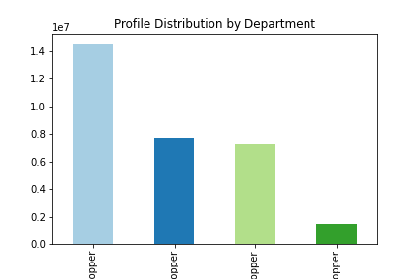
Customers are categorised into 8 groups:
1. "Married, no dependants, weekend shopper" -and orders day of week less and equal to 1 (0, 1 represents Saturday and Sunday)
2. "Married, no dependants, weekday shoppers" - and orders day of week bigger than 1 (0, 1 represents Saturday and Sunday)
3. "Married, with dependants, weekend shopper" - and orders day of week less and equal to 1 (0, 1 represents Saturday and Sunday)
4. "Married, with dependants weekday shoppers" -and orders day of week bigger than 1 (0, 1 represents Saturday and Sunday)
5. "Single, no dependants weekend shopper" - and orders day of week less and equal to 1 (0, 1 represents Saturday and Sunday)
6. "Single, no dependants weekday shopper" - and orders day of week bigger than 1 (0, 1 represents Saturday and Sunday)
7. "Single, with dependants, weekend shopper" - and orders day of week less and equal to 1 (0, 1 represents Saturday and Sunday)
8. "Single, with dependants, weekday shopper" - and orders day of week bigger than 1 (0, 1 represents Saturday and Sunday)
The majority of customers are working-day adult shoppers.

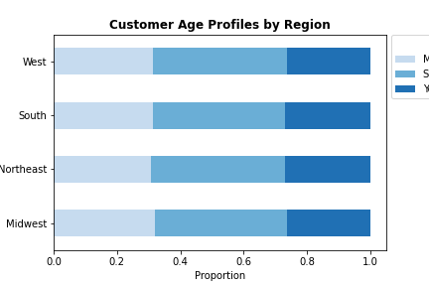

 |  |  |  |  | Middle aged Adults
 |  |  |  |  | Senior Adults
 |  |  |  |  | Young Adults

 |  |  |  |  |  | Maried with dependants |  | Single with no dependants |  | Maried no dependants |  | Single with dependants

Graph shows weekend shopping rates for everyfamily group.

Senior adults make up the largest proportion of customers in every region, followed by middle aged, then young adults
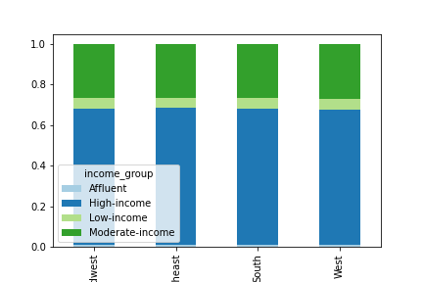
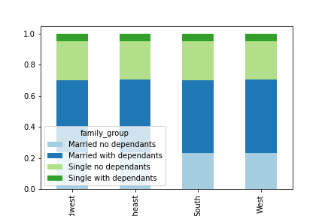

 | Midwest | Northeast | South | West |  |  | Midwest |  | Northeast |  | South | West

Bar charts represents the family group and income group distributions across all regions.
Across all regions, the high income group have the most customers. The spead of all other groups in every region is similar
The spread of family groups across all regions is similar, with married with dependants being the highest and single with no dependants the lowest.

7. Recommendations
 |  |  |  |  |  |  |  |  | Title page

Recommendations

In this tab you should include any recommendations you would made to Instcart in terms of their marketing strategy based on the questions posed in the brief. Every key question has been covered in the Tasks of the Exercises - here you need to add an item - a visualisation or table/crosstable that is showing the answer in the data, acompanied by a comment from you. Please, list the questions below and add the answer underneath.

 | Key Questions:

 | 1. What the busiest days and hours of the week?

This bar chart represents the number of orders (y-axis) by the day of the week (x-axis).
Each day corresponds to a number, as follows:
0 = Saturday
1 = Sunday
2 = Monday
3 = Tuesday
4 = Wednesday
5 = Thursday
6 = Friday
Wednesday is the least busy day.
The weekend is the busiest time of the week, Sunday being the busiest day of the week, followed by Friday then Saturday .

This histogram demostrates the frequency of orders (y-axis) by hour of the day (x-axis). The hours of the day use the 24 hr format.
The busiest hours are 10-12 am. Orders are highest from 9am to 5 pm, then drop steadily to reach a low between midnight and 6 pm.

 |  |  |  |  |  |  | Recommendation: - Ads should be focused on attracting customers during the least busy days. Flash sales can be offered to attract customers during down days nd hours. - Ads should be focused during least busy hours. Night hours should howver be avoided as most customers are likely to be asleep. these would be the midnight to 5 am time frame. Hours of customer decline would be ideal, as customers would be more likely to engage with ads.

 | 2. What are the busiest hours of day?

- The line charts show that most money is spent on friday and the weekends.
- Though less money is shown to be spent in the morning, there is a wide error margin. This would indicate more price variability.

This line chart represents the average price of ordered item (y-axis) by order hour of the day (x-axis). The hours of the day use the 24 hour format.

 |  |  |  |  |  |  | Recommendation: Instacart should run more high-priced products ads in the early morning from 4 am till 8 am. More research shoud be done to identify the most purchased products for each time and day, to maximise the eficiency of the ads.

This line chart represents the average price of ordered items (y-axis) by days of the week (x-axis).

 | 3.Create Simpler price range groupings for Marketing and Sales

 | Products were grouped as follows: - items with price <= 5, labeled as 'Low-range product' - items with price > 5 and price <= 15, labeled as 'Mid-range product' - items with price > 15, labeled as 'High-range product'

 | 4.Department Order frequency: Are there types of prodeucts more popular than others?

The names for each department are as follow:
1 (frozen), 2 (other), 3 (bakery), 4 (produce), 7 (beverages), 9 (dry goods pasta), 10 (bulk), 11 (personal care), 12 (meat seafood), 13 (pantry), 14 (breakfast), 15 (canned goods), 16 (dairy eggs), 17 (household), 19 (snacks), 21 (missing), 8 (pets),18 (babies), 5 (alcohol), 6 (international), 20 (deli)
- The most popular departments are produce, dairy and eggs, snacks and household.
- The least popular items are bulk, other, pets, alcohol and international.
- The best selling items are food and everyday essentials that would need to be regularly repurchase.

 |  |  |  |  |  |  | Recommendation: - There should be continued focus on the best selling items. As these are nessesities that apeal to all demographics, it is the easiest and quickest way to obtain a wide range of customers. the types of products also increase the likelyhood of customer retention and loyalty as they need to be reularly and frequently repurchased. - Customer demograpics /profiles should be investigated, to figure out which departments they most purchase items froms. This could also help increase sales for lower performing departments as they can be better targeted for adverts and promotions.

This bar chart represents the order frequency of products sorted by department, from highest selling to lowest selling.

 | 5.1 What’s the distribution among users in regards to their brand loyalty ?

Loyal customers make up about one third of all customers while Regular customers make up 50% of all customers.
 |  | This bar chart represents number of customers in three categories:
 |  | 1. Loyal customers - the one that have placed over 40 orders
 |  | 2. Regular customers - the one that have placed between 10 and 40 orders
 |  | 3. New customers - the one that have placed 10 or fewer orders

Regular
Customer
Loyal
Customer
New
Customer

 | 5.2. Are there differences in ordering habits based on a customer's loyalty status?

This stacked bar chart represents the days since last order for each loyalty status.
- New customers have. the largest amounts of time between orders, followed by regular customers.
- Loyal customers place orders the most frequently.

 |  |  |  |  |  |  | Recommendation Regular customers: encourave them through promotions, discounts and loyalty programs. Loyal Customers: Maintian them through loyalty rewards programs, offer special discounts, prices and promotions. New customers: Focuss on converting them to regular customers. provide great customer experiences and first time purchase dinscounts.

 |  |  | Days since last order

 | 5.3 Are there differences in ordering habits based on a customer’s region?

Midwest
Northeast
South
West

This stacked bar chart represents the relative amount of products ordered from different departments across all reagions.
The amount of products ordered is consistent across all regions. though the south does order the most amount of total products, and the northest the least.
This grouped bar chart represents the proportion of high and low spenders across all four regions.
- The proportion of high to low spenders is high across all regions. there are few high spenders in all regions.
-the proportions between the 2 customer profiles are the same across all regions
Region does not apear to impact the amount of money spent.

 |  | Recommendation: We can see that geographical regions are of no impact on customers money spending shabits. Other factors such as age and income should be investigated to increase high spending customer acquisition.

 | 5.4 Is there a connection between age and family status in terms of ordering habits?

This graph shows the relationship between income and age.
There seems to be an even spread in the distribution of age amongst income lower than 20000. However as income increases, spending power does increase among the older population, 40 and above.
The graph shows the relationship between age and dependants
The plot shows that there is no connection between age and dependants. There are numerous reasons families may have dependans such as children taking care of elderly parents, adult children lving at home, or multigenreational households.

Compared to young adults, middle-aged and senior adults group have a larger proportion of Married with Dependants customers, while young adults group have smaller proportion of Married with no Dependants customers.
Singles with dependants are not present in middle-aged and senior adults groups.

 |  | Middle aged adults | Senior Adults | Young adults
This graph shows the proportion of each family group in each age demographic

Recommendation - Because Income increases after 40, the age group could be targeted to increase high cost goods. - Maried with dependants groups are the biggest demographics. They should be the biggest target for adverts. - Promotions and ads should be tailored to each individual group.

 | 5.5 What different classifications does the demographic information suggest? Age? Income? Certain types of goods? Family status?

The bar charts represents percentage of total purchses for each customer profile across diffrent depatments.

The majority of customers are senior adults, most customer are high income and have dependents, wether maried or not.
The Low and moderate income group spends the most amount of money. the departments 4, 7, 16 and 19 consitently remain the highest performing departments across all income groups. these departments are the produce, dairy, snackas and beverages.
High-income group spends less money, compared to other Low and Middle income groups, on "other" (2), alcohol (5), bulk (10) and "snacks" (19). , low-income customers spend more in the snack (18%) and beverage departments (12%). However, affluent-income customers spend less on the produce department (19%) compared to other income groups, but more on dairy eggs, frozen, pantry, bakery, household, alcohol, and pets.

 | 5.6 What differences can you find in ordering habits of different customer profiles per region?

 |  |  |  |  |  | Middle aged Adults
 |  |  |  |  |  | Senior Adults
 |  |  |  |  |  | Young Adults

 |  |  |  |  |  |  |  | Maried with dependants | Single with no dependants | Maried no dependants |  | Single with dependants

Graph shows weekend shopping rates for everyfamily group.

Senior adults make up the largest proportion of customers in every region, followed by middle aged, then young adults

 |  | Midwest | Northeast | South | West |  |  | Midwest | Northeast | South | West

Bar charts represents the family group and income group distributions across all regions.
Across all regions, the high income group have the most customers. The spead of all other groups in every region is similar
The spread of family groups across all regions is similar, with married with dependants being the highest and single with no dependants the lowest.

 |  | Conclusion - Majority of customers are maried with dependants and working day shoppers aged 35 and over (middle aged to senior adults. ) - Profiles are consitent across all regions, high-income customers made up the largest customer proportion, while affluent-income customers made up the smallest. - Young adults make up the smallest amount of customers - The most common departmetns are produce, dairy, snacks and beverages. these are consistent across all profiles Recommendation - Target promotions based on customer profiles, EG, for young adults, create camppaigns with trendy products and for afluent customers or family aoriented ones for maried with dependants categories. - create loyalty program to reward loyalt customers and retain regular ones. - Increase the stovk for the best selling produces.

